Graph
Costs of Installed DSM ($/kWh)
 | $/kWh First Year in NS | Increase in $/kWh, if ITCs can not be claimed | Highest/Lowest Researched Canadian Jurisdiction 2015 | Average of Researched Canadian Jurisdictions 2015
2011 As Filed by NSP | $0.26 |  | $0.3 | $0.3 | $0.2
2011 Actuals | $0.26 | $0.03 | $0.3 | $0.3 | $0.2
 |  |  | $0.3 | $0.3 | $0.2
2012 As Filed | $0.35 |  | $0.3 | $0.3 | $0.2
2012 Actuals | $0.28 | $0.03 | $0.3 | $0.3 | $0.2
 |  |  | $0.3 | $0.3 | $0.2
2013 As Filed in 2012 | $0.34 |  | $0.3 | $0.3 | $0.2
2013 As Approved | $0.34 |  | $0.3 | $0.3 | $0.2
2013 Actuals | $0.24 | $0.02 | $0.3 | $0.3 | $0.2
 |  |  | $0.3 | $0.3 | $0.2
2014 As Filed in 2012 | $0.35 |  | $0.3 | $0.3 | $0.2
2014 As Approved | $0.35 |  | $0.3 | $0.3 | $0.2
2014 Actuals evaluated, unaudited | $0.25 | $0.01 | $0.3 | $0.3 | $0.2
 |  |  | $0.3 | $0.3 | $0.2
2015 As Filed in 2012 | $0.37 |  | $0.3 | $0.3 | $0.2
2015 As Approved | $0.30 | $0.03 | $0.3 | $0.3 | $0.2
 |  |  | $0.3 | $0.3 | $0.2
2016 As Proposed | $0.29 |  | $0.3 | $0.3 | $0.2
2017 As Proposed | $0.30 |  | $0.3 | $0.3 | $0.2
2018 As Proposed | $0.31 |  | $0.3 | $0.3 | $0.2
 | $/kWh First Year in NS | $/KWh with Full HST | Increase in $/kWh, if ITCs can not be claimed | HST adjusted | Highest/Lowest Researched Canadian Jurisdiction 2015 | Average of Researched Canadian Jurisdictions 2015 | Lowest Canadian Jurisdiction 2015
 |  |  |  |  | $0.3 | $0.3 | $0.2
 |  |  |  |  | $0.3 | $0.3 | $0.2
2011 As Filed by NSP | $0.26 |  |  | $0.26 | $0.3 | $0.3 | $0.2
2011 Actuals | $0.29 | $0.29 | $0.03 | $0.26 | $0.3 | $0.3 | $0.2
 |  |  |  |  | $0.3 | $0.3 | $0.2
2012 As Filed | $0.35 |  |  | $0.35 | $0.3 | $0.3 | $0.2
2012 Actuals | $0.30 | $0.30 | $0.03 | $0.28 | $0.3 | $0.3 | $0.2
 |  |  |  |  | $0.3 | $0.3 | $0.2
2013 As Filed in 2012 | $0.34 |  |  | $0.34 | $0.3 | $0.3 | $0.2
2013 As Approved | $0.34 |  |  | $0.34 | $0.3 | $0.3 | $0.2
2013 Actuals | $0.27 | $0.27 | $0.02 | $0.24 | $0.3 | $0.3 | $0.2
 |  |  |  |  | $0.3 | $0.3 | $0.2
2014 As Filed in 2012 | $0.35 |  |  | $0.35 | $0.3 | $0.3 | $0.2
2014 As Approved | $0.35 |  |  | $0.35 | $0.3 | $0.3 | $0.2
2014 Actuals evaluated, unaudited | $0.26 | $0.26 | $0.01 | $0.25 | $0.3 | $0.3 | $0.2
 |  |  |  |  | $0.3 | $0.3 | $0.2
2015 As Filed in 2012 | $0.37 |  |  | $0.37 | $0.3 | $0.3 | $0.2
2015 As Approved | $0.30 | $0.32 | $0.03 | $0.30 | $0.3 | $0.3 | $0.2
 |  |  |  |  | $0.3 | $0.3 | $0.2
2016 As Proposed | $0.29 |  |  | $0.29 | $0.3 | $0.3 | $0.2
2017 As Proposed | $0.30 |  |  | $0.30 | $0.3 | $0.3 | $0.2
2018 As Proposed | $0.31 |  |  | $0.31 | $0.3 | $0.3 | $0.2

 |  |  |  | Actuals are shown as per E1's 2016-2018 response to IR-35 and therefore do not reflect actual dollar amounts transferred from NS Power to ENS in the years shown. | As per 2016-2018 DSM NS Power Evidence Appendix A, Attachment 1 Exhibit 2
 |  |  |  | Actuals for 2011, 2012, 2013, 2014 show $/kWh if ITCs can be claimed. Added as a red bar on top is the increase in $/kWh if ITC claim is not approved by CRA.
 |  |  |  | Unit costs for 2016, 2017 and 2018 assume E1 is ITC eligible

Actuals E1 resp to NSP IR-35
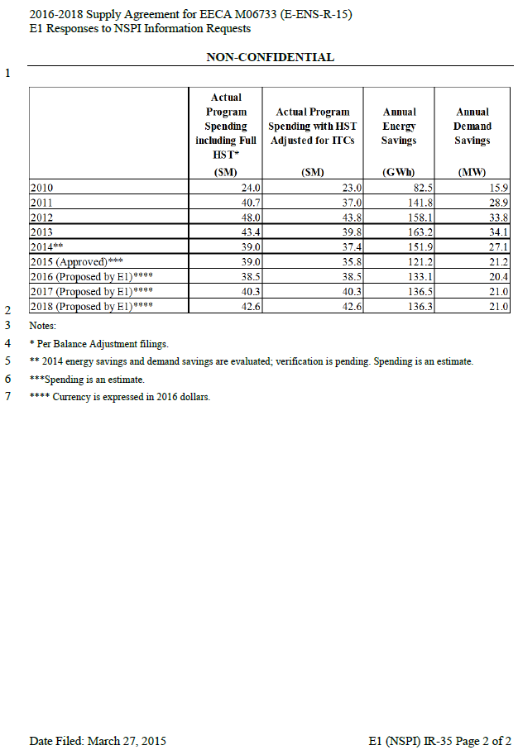
E1 Responses to NSPI Information Request (IR 35)
 | Actual Program Spending including Full HST* | Actual Program Spending with HST Adjusted for ITCs | Annual Energy Savings | Annual Demand Reductions | Full HST | HST adjusted
 | ($M) | ($M) | (GWh) | (MW) | $/kWh | $/kWh
2010 | $24.00 | $23.00 | 82.45 | 15.9 | $0.29 | $0.28
2011 | $40.70 | $37.00 | 141.8 | 28.9 | $0.29 | $0.26
2012 | $48.00 | $43.80 | 158.1 | 32.9 | $0.30 | $0.28
2013 | $43.40 | $39.80 | 163.2 | 34.1 | $0.27 | $0.24
2014*** | $39.00 | $37.40 | 151.9 | 27.1 | $0.26 | $0.25
2015 (Approved) | $39.00 | $35.80 | 121.2 | 21.2 | $0.32 | $0.30
2016 (Proposed by E1)**** | $38.50 | $38.50 | 133.1 | 20.4 | $0.29 | $0.29
2017 (Proposed by E1)**** | $40.30 | $40.30 | 136.5 | 21.0 | $0.30 | $0.30
2018 (Proposed by E1)**** | $42.60 | $42.60 | 136.3 | 21.0 | $0.31 | $0.31

