Aerators
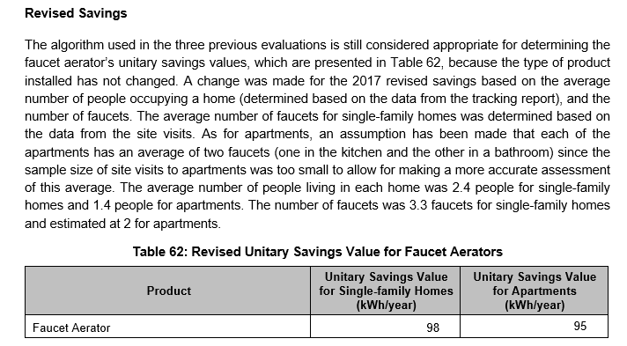
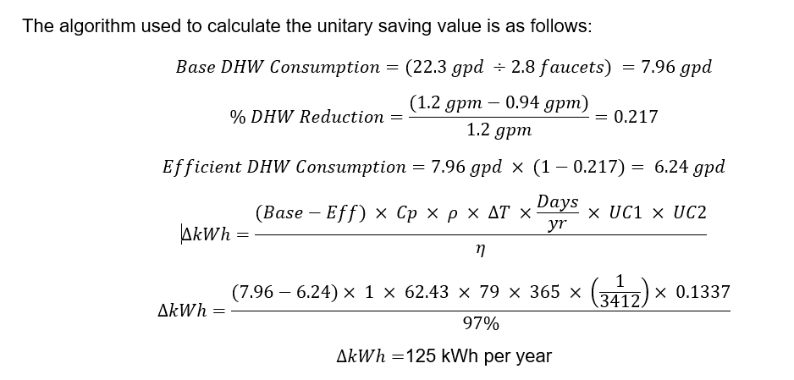
 |  |  | 2014 evaluation
Single Fam
gal/day(CBEEDAC) | 22.30
p/household (CBEEDAC) | 2.60
gal/p | 8.58
p/household (NS) | 2.40
gal/day(NS) | 20.58
Fac/household (NS) | 3.30
gal/fac (NS) | 6.24
% reduction | 21.67%
gal/day/fac reduction | 1.35 | 493.3030303
energy savings (kWh/year) | 98.28 | 1.8673542239

Multi Fam
gal/day(CBEEDAC) | 22.30
p/household (CBEEDAC) | 2.60
gal/p | 8.58
p/household (NS) | 1.40
gal/day(NS) | 12.01
Fac/household (NS) | 2.00
gal/fac (NS) | 6.00
% reduction | 21.67%
gal/day/fac reduction | 1.30 | 474.80416667
energy savings (kWh/year) | 94.60 | 1.7973284405

 |  |  | 2015 Evaluation
 |  |  | Table 7: Revised Unitary Savings Value for Low-flow Faucet Aerators
 |  |  | Parameter | Symbol | Value | Source
 |  |  | Housing Type | - | Single Family | -
 |  |  | Baseline Flow Rate [gpm] | qbase | 1.2 | 2003 Aquacraft Study[1]
 |  |  | Low-flow Rate [gpm] | qlow | 0.94 | 2003 Aquacraft Study[2]
 |  |  | Number of People per Household [person] | npeople | 2.5 | RDI 2015 Survey (n=204)
 |  |  | DHW Used per Person for Total Number of Faucets [gpd] | DHWperson | 8.6 | CBEEDAC[3]
 |  |  | Number of Faucets per Household | nfaucets | 3.3 | RDI 2015 On-site visits (n=99)
 |  |  | Specific Heat of Water [Btu/lb°F] | CpH2O | 1 | Convention
 |  |  | Density of Water [lb/ft3] | ρH2O | 62.43 | Convention
 |  |  | Temperature Rise in Electric Water Heater [°F] | ΔTH2O | 79 | 2011 OPA
 |  |  | Electric Water Heater Efficiency | η | 97% | Pennsylvania Public Utility Commission TRM[4]

 |  |  | Unitary Savings [kWh/year] | - | 103 | Calculation

 |  |  | [1] Aquacraft, Inc. Water Engineering and Management, Residential Indoor Water Conservation Study, July 2003.
 |  |  | [2] Ibid.
 |  |  | [3] Canadian Building Energy End-Use Data & Analysis Centre, Domestic Water Heating and Water Heater Energy Consumption in Canada, April 2005, p. 29.
 |  |  | [4] Pennsylvania Public Utility Commission, Technical Reference Manual, State of Pennsylvania, June 2013, p. 174.

 |  |  | 2017 evaluation

Showerheads
 |  |  |  |  | 2014 evaluation |  |  |  | 2015 RP&C evaluation report
 |  |  |  |  | Table 19: Revised Unitary Savings Value for Low-flow Showerheads[1] |  |  |  | Table 8: Revised Unitary Savings Values for Low-flow Showerheads
 |  |  |  |  | Parameter | Unitary Savings (kWh/year) | Source |  | Parameter | Symbol | Value | Source
 |  |  |  |  | Baseline Flow Rate (gpm) | Variable | Tracking sheet |  | Housing Type | - | Multi-Family | -
 |  |  |  |  |  | (2.0 gpm, 2.25 gpm or 2.5 gpm) |  |  | Baseline Flow Rate [gpm] | qbase | 2.5 | 2015 Pennsylvania Public Utility Commission TRM[1]
 |  |  |  |  | Low-flow Rate (gpm) | 1.5 | On-site visits | updated | Low-flow Rate [gpm] | qlow | 1.5 | 2015 On-site visits
 |  |  |  |  | Number of People per Household (RDI) | 2.4 | RDI 2014 Annual Survey (n=164) | 2.5 | Number of People per Household [person] | npeople | 1.8 | 2013 Pennsylvania Public Utility Commission TRM[2]
 |  |  |  |  | Average Number of Showers per Day per Person | 0.67 | Mayer and Oreo |  | Average Number of Showers per Day per Person [shower/day/person] | nshower | 0.67 | Mayer and Oreo[3]
 |  |  |  |  | Average Shower Time per Person (min) | 8.3 | Mayer and Oreo |  | Average Shower Time per Person [min/shower] | tshower | 8.3 | Mayer and Oreo[4]
Single Fam | base flow | 2 | 2.25 | 2.5 | Percentage of Hot Water Used in Showers | 73% | CBEEDAC |  | Percentage of Hot Water Used in Showers | %DHW | 73% | CBEEDAC[5]
 | dhw reduction (gal/year) | 2,537.21 | 3,805.81 | 5,074.41 | Specific Heat of Water (Cp) | 1 Btu/lb°F | Convention |  | Specific Heat of Water [Btu/lb°F] | CpH2O | 1 | Convention
 | dhw reduction (gal/day) | 6.9513 | 10.43 | 13.9025 | Density of Water (ρ) | 62.43 | Convention |  | Density of Water [lb/ft3] | ρH2O | 62.43 | Convention
 | dhw reduction (m^3/year) | 9.604366 | 14.406549 | 19.208732 | Temperature Rise in Electric Water Heater (ΔT) | 79 | OPA |  | Temperature Rise in Electric Water Heater [°F] | ΔTH2O | 79 | 2011 OPA
Multi Fam | base flow | 2 | 2.25 | 2.5 | Days per Year | 365 | OPA |  | Electric Water Heater Efficiency | η | 97% | 2013 Pennsylvania Public Utility Commission TRM[6]
 | dhw reduction (gal/year) | 1,826.79 | 2,740.18 | 3,653.58 | Unit Conversion #1 (UC1) | 0.00029308323564 | Convention |  | Unitary Savings [kWh/year] | - | 531 | Calculation
 | dhw reduction (gal/day) | 5.00 | 7.51 | 10.01 | Unit Conversion #2 (UC2) | 0.1337 | Convention
 | dhw reduction (m^3/year) | 6.915143 | 10.372715 | 13.830287 | Electric Water Heater Efficiency (η) | 97% | Pennsylvania Public Utility Commission TRM[2]

 |  |  |  |  | Unitary Savings | Flow rate reduction | 354 kWh/year |  | [1] Ibid.
 |  |  |  |  |  | of 0.5 gpm |  |  | [2] Pennsylvania Public Utility Commission, Technical Reference Manual, State of Pennsylvania, June 2013, p. 45.
 |  |  |  |  |  | Flow rate reduction | 531kWh/year |  | [3] Mayer, P. W., W. B. Oreo et al., Residential End Uses of Water, published by the AWWA Research Foundation, 1999, pp. 99-102.
 |  |  |  |  |  | of 0.75 gpm |  |  | [4] Ibid.
 |  |  |  |  |  | Flow rate reduction | 708kWh/year |  | [5] Canadian Building Energy End-Use Data & Analysis Centre, Domestic Water Heating and Water Heater Energy Consumption in Canada, April 2005, p. 29.
 |  |  |  |  |  | of 1 gpm |  |  | [6] Pennsylvania Public Utility Commission, Technical Reference Manual, State of Pennsylvania, June 2013, p. 174.

 |  |  |  |  | [1] Pennsylvania Public Utility Commission, Technical Reference Manual, State of Pennsylvania, June 2013, pages 45–48.
 |  |  |  |  | [2] Pennsylvania Public Utility Commission, Technical Reference Manual, State of Pennsylvania, June 2013, page 174.

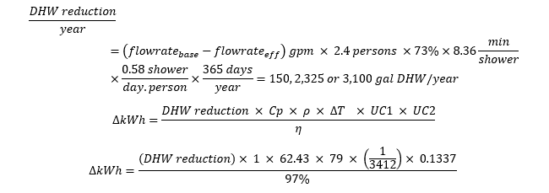

 |  |  |  |  | 2015 evluation
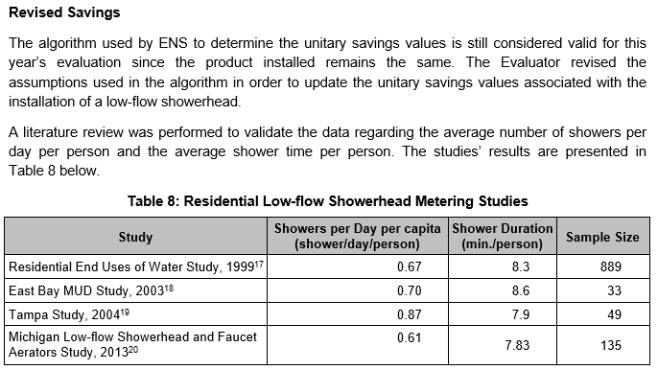

 |  |  |  |  | 2017 evaluation

Clothes Washer
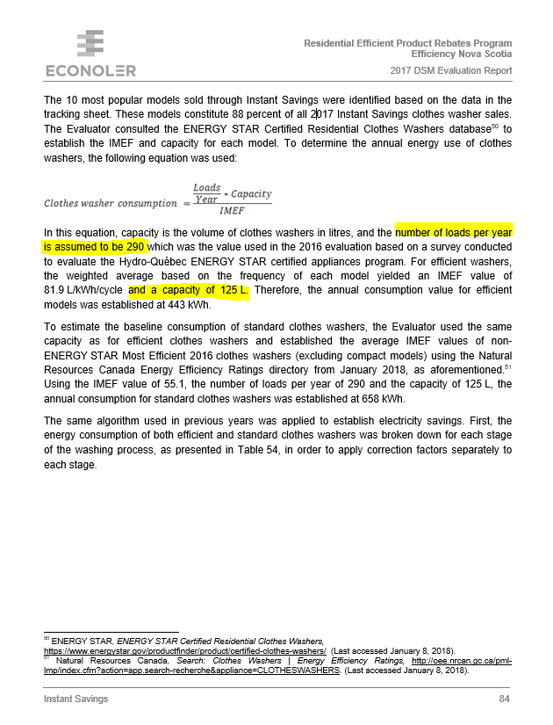
 |  |  |  | Input assumptions from 2017 evaluation report
Methodology from NEEP TRM (version 8, May, 2018)
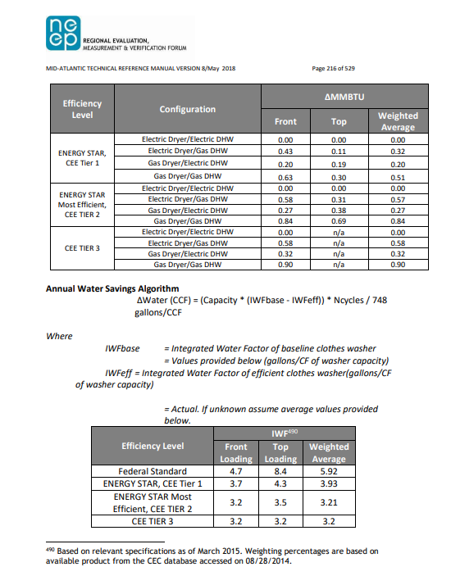

 | delta water | 4.8462566845 | m^3
 | delta water | 1.7114422126 | ccf
 | capacity | 4.4143406035 | cf
 | capacity | 125 | L
 | IWF base | 4.7
 | IWFeff | 3.7
 | Ncycles | 290

