Unemployment
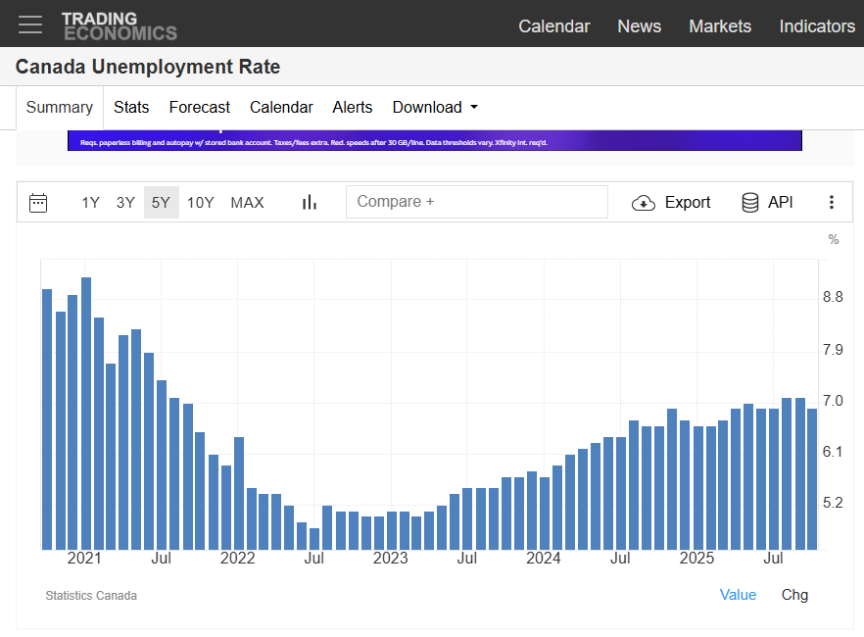
Canada Unemployment Rate

Inflation
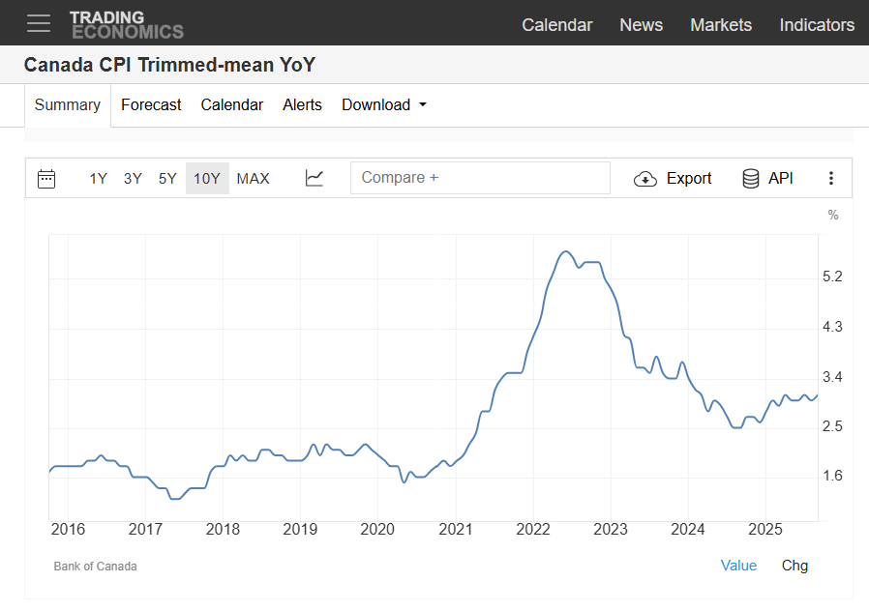
Canada CPI Trimmed-mean YoY

