Enrollment Info
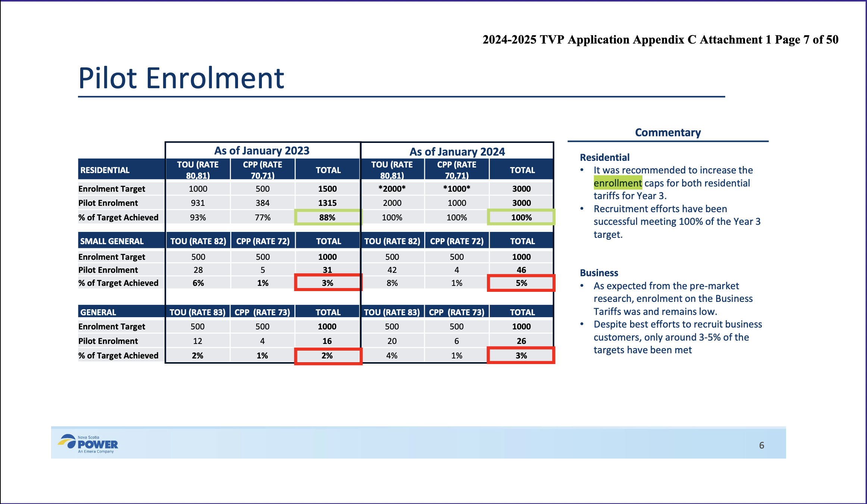
Approximate Current enrollment | 8000 |  |  | Source: NSPI Response October 9th, 2025. M12499 – Nova Scotia Power Inc. – Proposed Approach for the 2025/26 Time Varying Pricing Tariffs, page 3

 | Approximate Current Enrollment | % of Pilot | % of total customers | Source
Domestic CPP | 2558 | 32.02% | 0.48724% | Assuming 8000 participants (see above), calculated Domestic CCP customers by using the 8000 total and subtracting all other participants.
Domestic TOU | 5360 | 67.08% | 1.02095% | screenshot below does not list exact amount of Domestic TOU customers, so used "67 percent" figure on page 3 of NSPI Response October 9th, 2025. M12499 – Nova Scotia Power Inc. – Proposed Approach for the 2025/26 Time Varying Pricing Tariffs

Small General CPP | 4 | 0.05% | 0.00076% | Used screenshot, below for the # of enrollees. Calculated % based on total of 8000 from NSPI's response
Small General TOU | 42 | 0.53% | 0.00800% | Used screenshot, below for the # of enrollees. Calculated % based on total of 8000 from NSPI's response

General CPP | 6 | 0.08% | 0.00114% | Used screenshot, below for the # of enrollees. Calculated % based on total of 8000 from NSPI's response
General TOU | 20 | 0.25% | 0.00381% | Used screenshot, below for the # of enrollees. Calculated % based on total of 8000 from NSPI's response

MURB TOU | 10 | 0.13% | 0.00190% | Multi-Unit Residential Building TOU Pilot is able to continue per October 1, 2025. NSPI Letter, M12499 Exh N-1, Page 7
 | 7990 | 100.00% | 1.52190%

